YSI_Readings
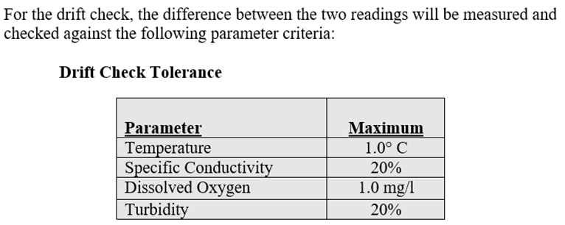
Date | 2021-05-03 | 2021-05-25 | 2021-05-25 | 2021-06-24 | 2021-06-24 | 2021-07-27 | 2021-07-28 | 2021-08-06 | 2021-08-06 | 2021-09-21 | 2021-09-21 | 2021-10-07
Time | 12:15:00 | 2:25:00 | 3:15:00 | 11:10:00 | 11:42:00 | 11:46:00 | 11:05:00 | 1:57:00 | 2:44:00 | 12:42:00 | 1:05:00 | 12:40:00
(mmHG) | 750.6 | 1902-01-28 07:12:00 | 759.3 | 764 | 764.2 | 754.8 | 755.2 | 758.3 | 757.8 | 762.7 | 762.5 | 761.5
DO (mg/L) | 10.18 | 10.3 | 10.37 | 10.55 | 10.43 | 11.13 | 10.4 | 12.87 | 12.69 | 9.99 | 9.75 | 9.81
DO (%SAT) | 103.3 | 113.8 | 113.8 | 113.6 | 113.1 | 133.8 | 123.1 | 151 | 150.1 | 106.2 | 103.8 | 101.6
Conductivity | 0.3582 | 0.421 | 0.517 | 0.4166 | 0.4205 | 0.4549 | 0.4322 | 0.4524 | 0.4545 | 0.3428 | 0.3574 | 0.3329
H20 Temp | 15.5 | 20.1 | 20.44 | 19.1 | 19.5 | 24.2 | 23.4 | 23.2 | 23.6 | 18.4 | 18.5 | 17.1
Air Temp | 17.2 | 21.9 | 21.9 | 19.9 | 20.4 | 24.9 | 23.8 | 24.8 | 24.2 | 20.6 | 20.1 | 20.3
Depth (in) | 20 | 15 | 15 | 14 | 14 | 15 | 14 | 15 | 15 | 18 | 22 | 26

Drift Check | 2021-07-27 |  |  | 2021-07-28 |  |  | 2021-08-06 |  |  | 2021-08-06 |  |  | 2021-09-21 |  |  | 2021-09-21 |  |  | 2021-10-07
 | pre-cleaning |  |  | post-cleaning |  |  | pre-cleaning |  |  | post-cleaning |  |  | pre-cleaning |  |  | post-cleaning |  |  | pre-cleaning
Parameter | Discrete | Logger | Difference | Discrete | Logger | Difference | Discrete | Logger | Difference | Discrete | Logger | Difference | Discrete | Logger | Difference | Discrete | Logger | Difference | Discrete | Logger | Difference
Temp, °C | 24.2 | 24.02 | 0.18 | 23.4 | 23.6 | 0.2 | 23.2 | 22.94 | 0.26 | 23.5 | 24.1 | 0.6 | 18.4 | 18.44 | 0.04 | 18.5 | 18.7 | 0.2 | 17.1 | 18.3 | 1.2
DO, mg/L | 11.13 | 8.34 | 2.79 | 10.4 | 9.93 | 0.47 | 12.87 | 12.68 | 0.19 | 12.3 | 12.37 | 0.07 | 9.99 | 10.22 | 0.23 | 9.66 | 9.74 | 0.08 | 9.81 | 9.92 | 0.11

